BASIC
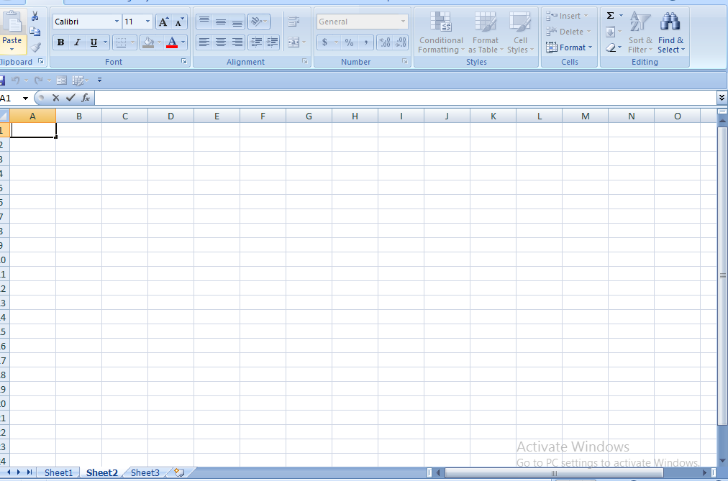

WORKSHEET

SHEET 1

A1

CELL NAME

FORMUL A BAR

RIBBON

CHARTS
CHARTS
 | shortcut key ALT +f1

 |  | ANNUAL SALES
 |  |  |  | ONLINE SALES | STORE SALES
 |  |  | TSHIRT | 4000 | 25000
 |  |  | JOGGERS | 300000 | 200000
 |  |  | JORDANS | 300000 | 150000

PROJECTS
LINK TO MY PROJECT



 | EMPLOYEE PAYROLL

